task 6.2
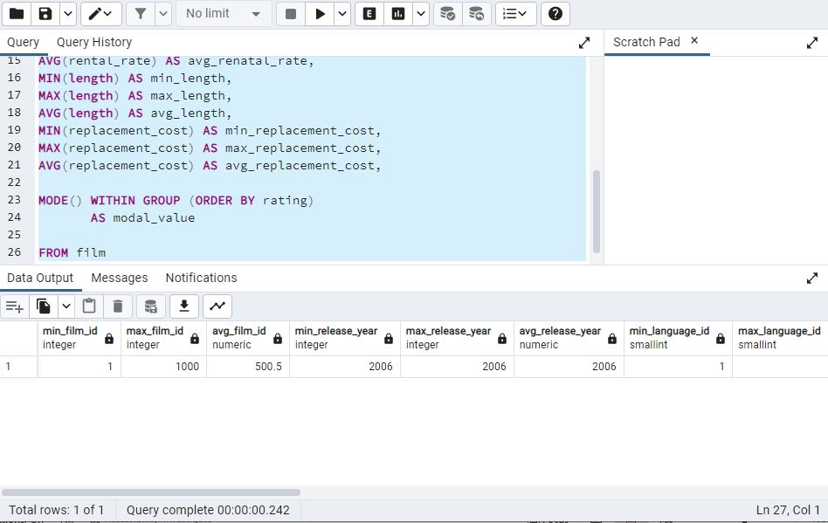
min_film_id | max_film_id | avg_film_id | min_release_year | max_release_year | avg_release_year | min_language_id | max_language_id | min_rental_duration | max_rental_duration | avg_rental_duration | min_renatl_rate | max_rental_rate | avg_renatal_rate | min_length | max_length | avg_length | min_replacement_cost | max_replacement_cost | avg_replacement_cost | modal_value
1 | 1000 | 500.5 | 2006 | 2006 | 2006 | 1 | 1 | 3 | 7 | 4.985 | 0.99 | 4.99 | 2.98 | 46 | 185 | 115.272 | 9.99 | 29.99 | 19.984 | PG-13

5 least revenue movies
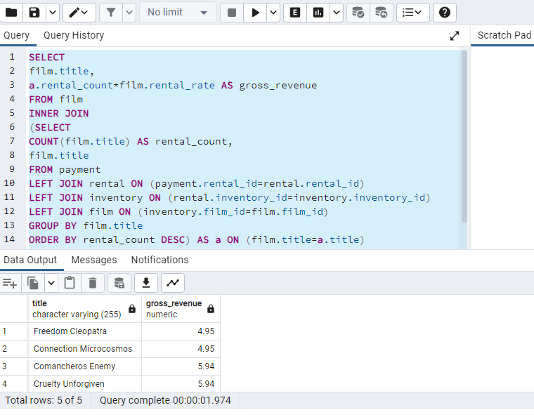
title | gross_revenue
Freedom Cleopatra | 4.95
Connection Microcosmos | 4.95
Comancheros Enemy | 5.94
Cruelty Unforgiven | 5.94
Duffel Apocalypse | 5.94

5 most revenue movies
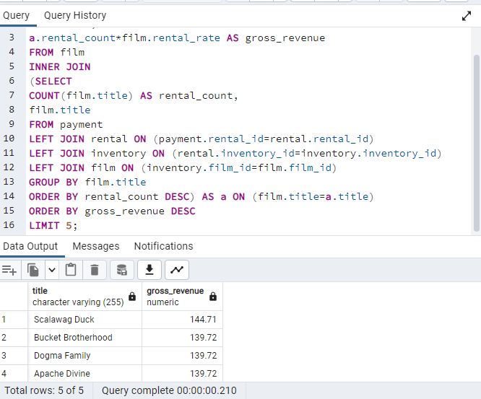
title | gross_revenue
Scalawag Duck | 144.71
Bucket Brotherhood | 139.72
Dogma Family | 139.72
Apache Divine | 139.72
Zorro Ark | 139.72

10 most rented movies
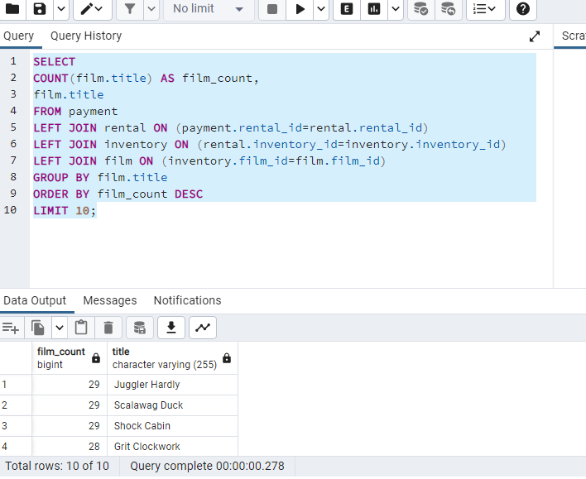
film_count | title
29 | Juggler Hardly
29 | Scalawag Duck
29 | Shock Cabin
28 | Grit Clockwork
28 | Apache Divine
28 | Rugrats Shakespeare
28 | Rush Goodfellas
28 | Zorro Ark
28 | Rocketeer Mother
28 | Frost Head

task 7.1
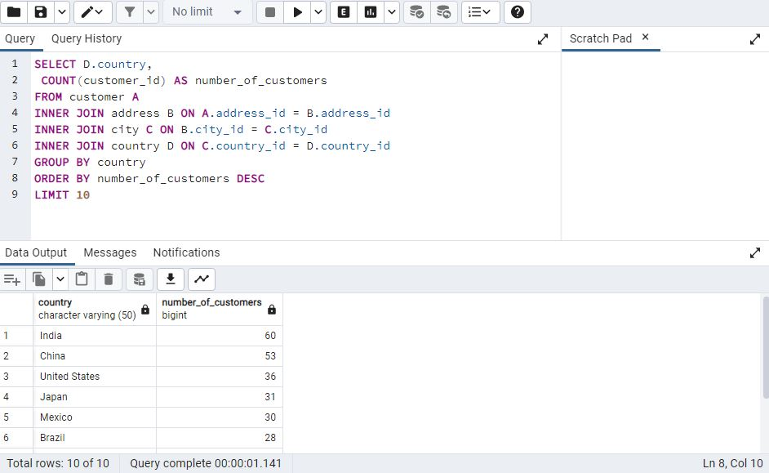
country | number_of_customers
India | 60
China | 53
United States | 36
Japan | 31
Mexico | 30
Brazil | 28
Russian Federation | 28
Philippines | 20
Turkey | 15
Indonesia | 14

task 7.2
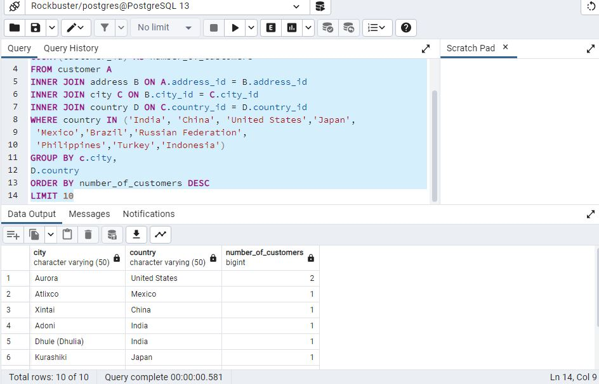
city | country | number_of_customers
Aurora | United States | 2
Atlixco | Mexico | 1
Xintai | China | 1
Adoni | India | 1
Dhule (Dhulia) | India | 1
Kurashiki | Japan | 1
Pingxiang | China | 1
Sivas | Turkey | 1
Celaya | Mexico | 1
So Leopoldo | Brazil | 1

task 7.3
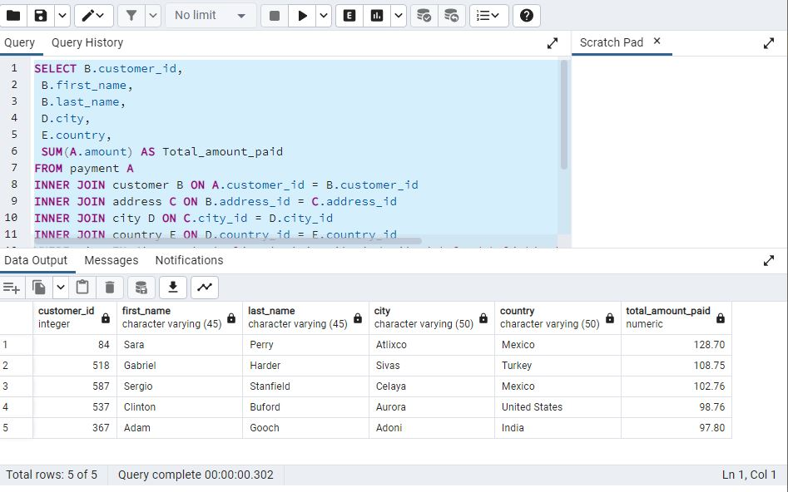
customer_id | first_name | last_name | city | country | total_amount_paid
84 | Sara | Perry | Atlixco | Mexico | 128.7
518 | Gabriel | Harder | Sivas | Turkey | 108.75
587 | Sergio | Stanfield | Celaya | Mexico | 102.76
537 | Clinton | Buford | Aurora | United States | 98.76
367 | Adam | Gooch | Adoni | India | 97.8

